Test plan
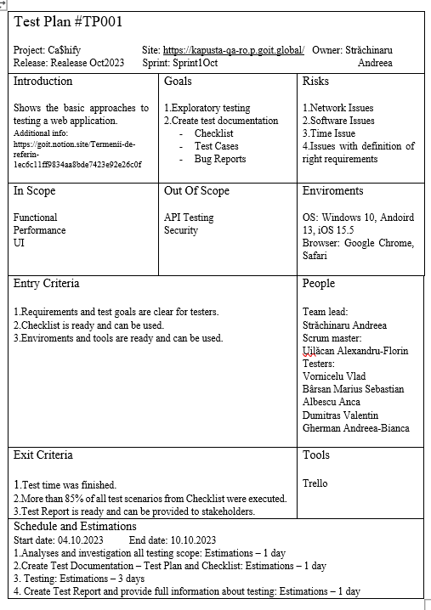

Review
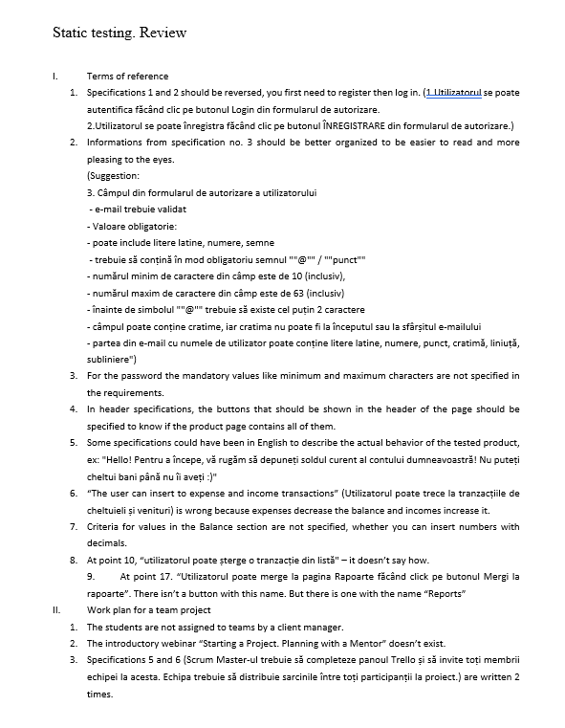

Test Suite
Login
Test Cases Suite
From TC-1 -> TC-6

Header
Test Cases Suite
From TC-7 -> TC-11

Ca$hify Test Suite

Start Page
Test Cases Suite
From TC-12 -> TC-28

Reports Page
Test Cases Suite
From TC- 29 -> TC-33

Adittional Test Cases Suite
From TC-33 -> TC-34

Test report
Passed vs Failed
Number of tests passed | 24
Number of tests failed | 10
Test report
Number of tests planned | 34
Number of tests executed | 34
Number of tests passed | 24
Number of tests failed | 10
Overall status
 | Number of tests planned | 34
 | Number of tests executed | 34
 | Number of tests passed | 24
 | Number of tests failed | 10

Conclusion: | Considering the number of failed tests,
 | the product is not recommended for use.

